Cover Sheet
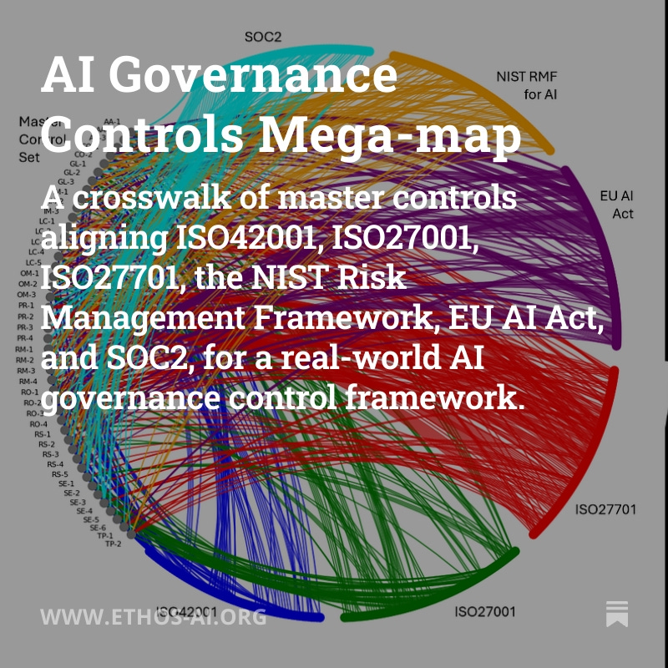
AI Governance Controls Megamap
This spreadsheet provides a unified framework for AI governance controls, mapping essential requirements across key international standards and regulations. It presents a structured approach to managing AI systems throughout their lifecycle, from development through deployment and ongoing operations.
The framework synthesizes controls from ISO 42001, ISO 27001, ISO 27701, the EU AI Act, NIST AI Risk Management Framework, and SOC2, organizing them into twelve critical domains: Governance & Leadership, Risk Management, Regulatory Operations, Security, Privacy, Safe & Responsible AI, Assurance & Audit, Operational Monitoring, Incident Management, Third Party & Supply Chain, and Transparency & Communication. Each domain contains detailed control statements that outline specific requirements, supported by cross-references to relevant sections of major standards and regulations.
This resource is designed to help organisations implement comprehensive AI governance while maintaining compliance with major regulatory frameworks. It serves as both a practical guide for implementing AI controls and a reference tool for mapping requirements across different standards.

Further supporting resources and guidance are available at ethos-ai.org
A detailed explanation of the mapping begins here: https://www.ethos-ai.org/p/ai-governance-controls-mega-map

This work is licensed under the Creative Commons Attribution 4.0 International License. To view a copy of this license, visit http://creativecommons.org/licenses/by/4.0/ You can copy and redistribute in any format you like, adapt and build upon it (even for commercial purposes), use it as part of larger works, modify it to suit their needs. I only ask that you attribute it to The Company Ethos, so others can know where to get up to date versions and supporting resources. © James Kavanagh, The Company Ethos 2025

